anodev
Tempo 0 h | ciano x Algas |  |  |  |  |  |  | Tempo 0 h | ciano Filamentosas x Algas
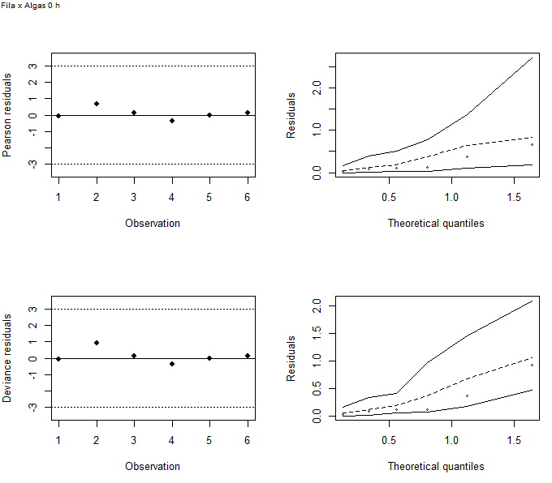
 | Model | Df | Deviance | Resid. Df | Resid. Dev | Pr(>Chi) | AIC
1 | NULL | NA | NA | 5 | 5.96 | NA | 29.1
2 | Sample | 2 | 3.53 | 3 | 2.43 | 0.1714 | 29.6 |  |  |  | Model | Df | Deviance | Resid. Df | Resid. Dev | Pr(>Chi) | AIC
3 | Phylum | 1 | 1.97 | 4 | 3.99 | 0.1600 | 29.1 |  |  | 1 | NULL | NA | NA | 5 | 9.68 | NA | 32.6
4 | Sample+Phylum | 2 | 2.93 | 2 | 1.06 | 0.2311 | 30.2 |  |  | 2 | Sample | 2 | 3.93 | 3 | 5.74 | 0.1398 | 32.6
5 | Sample+Phylum+Phylum|Sample | 2 | 1.06 | 0 | 0.00 | 0.5891 | 33.1 |  |  | 3 | Phylum | 1 | 5.92 | 4 | 3.76 | 0.0150 | 28.7
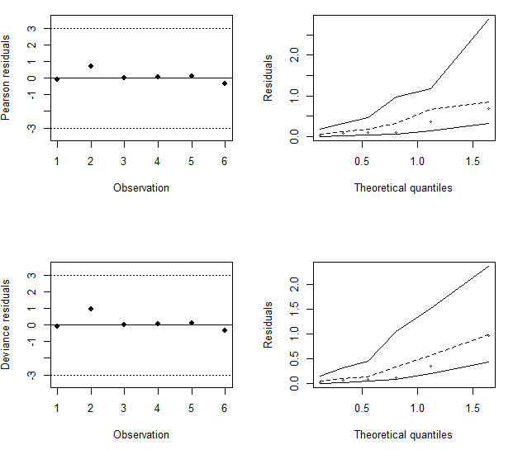
 |  |  |  |  |  |  |  |  |  | 4 | Sample+Phylum | 2 | 2.74 | 2 | 1.02 | 0.2539 | 29.9
 |  |  |  |  |  |  |  |  |  | 5 | Sample+Phylum+Phylum|Sample | 2 | 1.02 | 0 | 0.00 | 0.6014 | 32.9

Tempo 72 h |  |  |  |  |  |  |  | Tempo 72 h | Fila x Ciano
 | Model | Df | Deviance | Resid. Df | Resid. Dev | Pr(>Chi) | AIC
1 | NULL | NA | NA | 5 | 78.86 | NA | 99.3 |  |  |  | Model | Df | Deviance | Resid. Df | Resid. Dev | Pr(>Chi) | AIC
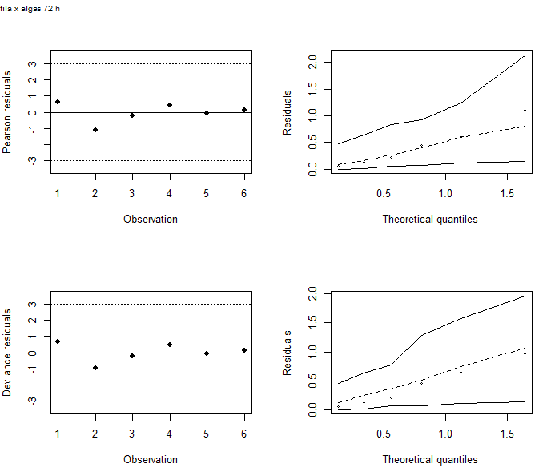
2 | Sample | 2 | 71.41 | 3 | 7.44 | 0.0000 | 31.9 |  |  | 1 | NULL | NA | NA | 5.00 | 51.79 | NA | 73.8
3 | Phylum | 1 | 5.98 | 4 | 72.87 | 0.0144 | 95.3 |  |  | 2 | Sample | 2 | 49.61 | 3.00 | 2.19 | 0.00 | 28.2
4 | Sample+Phylum | 2 | 67.34 | 2 | 5.54 | 0.0000 | 32.0 |  |  | 3 | Phylum | 1 | 1.64 | 4.00 | 50.15 | 0.20 | 74.1
5 | Sample+Phylum+Phylum|Sample | 2 | 5.54 | 0 | -0.00 | 0.0628 | 30.5 |  |  | 4 | Sample+Phylum | 2 | 48.52 | 2.00 | 1.64 | 0.00 | 29.6
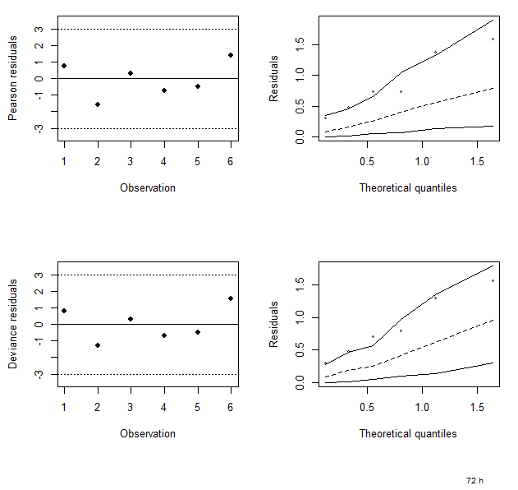
 |  |  |  |  |  |  |  |  |  | 5 | Sample+Phylum+Phylum|Sample | 2 | 1.64 | 0.00 | 0 | 0.44 | 32

Tempo 168 h

 | Model | Df | Deviance | Resid. Df | Resid. Dev | Pr(>Chi) | AIC
1 | NULL | NA | NA | 5 | 63.62 | NA | 87.0
2 | Sample | 2 | 26.42 | 3 | 37.20 | 0.0000 | 64.6
3 | Phylum | 1 | 21.95 | 4 | 41.67 | 0.0000 | 67.0 | Tempo 168 h | Fila x Ciano
4 | Sample+Phylum | 2 | 33.06 | 2 | 8.61 | 0.0000 | 38.0
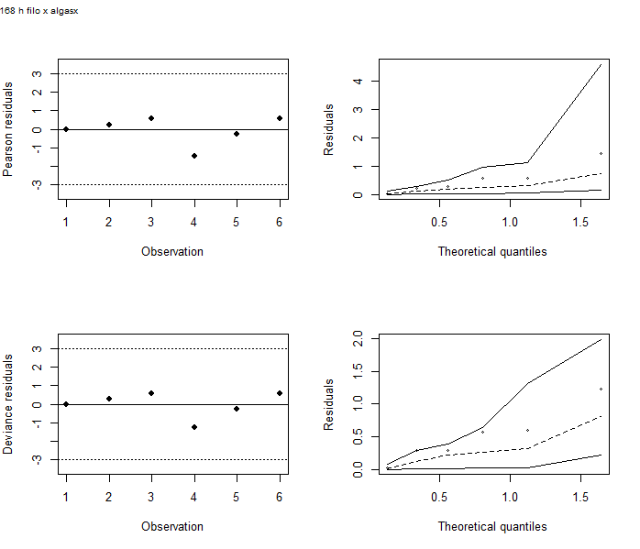
5 | Sample+Phylum+Phylum|Sample | 2 | 8.61 | 0 | 0.00 | 0.0135 | 33.4
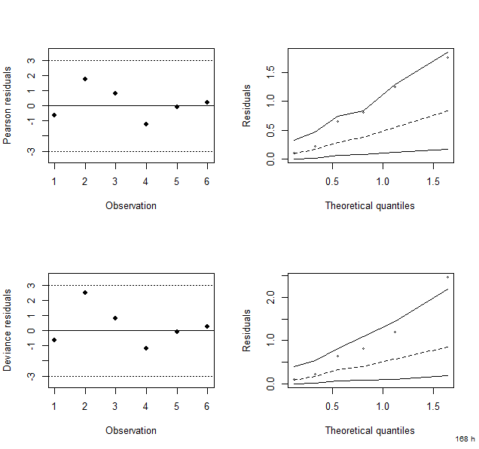
 |  |  |  |  |  |  |  |  |  |  | Model | Df | Deviance | Resid. Df | Resid. Dev | Pr(>Chi) | AIC
 |  |  |  |  |  |  |  |  |  | 1 | NULL | NA | NA | 5 | 22.21 | NA | 46.1
 |  |  |  |  |  |  |  |  |  | 2 | Sample | 2 | 12.71 | 3 | 9.5 | 0.00 | 37.4
 |  |  |  |  |  |  |  |  |  | 3 | Phylum | 1 | 2.14 | 4 | 20.07 | 0.14 | 46
 |  |  |  |  |  |  |  |  |  | 4 | Sample+Phylum | 2 | 19.12 | 2 | 0.95 | 0.00 | 30.9
 |  |  |  |  |  |  |  |  |  | 5 | Sample+Phylum+Phylum|Sample | 2 | 0.95 | 0 | 0 | 0.62 | 33.9

tempo 336 h

 | Model | Df | Deviance | Resid. Df | Resid. Dev | Pr(>Chi) | AIC
1 | NULL | NA | NA | 5 | 85.44 | NA | 106.9
2 | Sample | 2 | 55.27 | 3 | 30.17 | 0.0000 | 55.6
3 | Phylum | 1 | 23.67 | 4 | 61.77 | 0.0000 | 85.2
4 | Sample+Phylum | 2 | 58.34 | 2 | 3.43 | 0.0000 | 30.9
5 | Sample+Phylum+Phylum|Sample | 2 | 3.43 | 0 | 0.00 | 0.1797 | 31.4
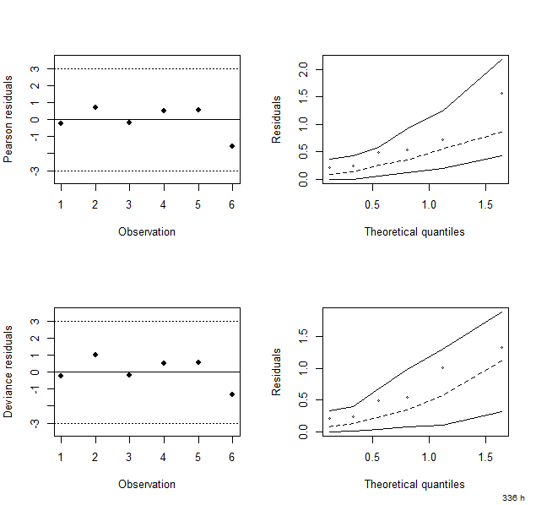

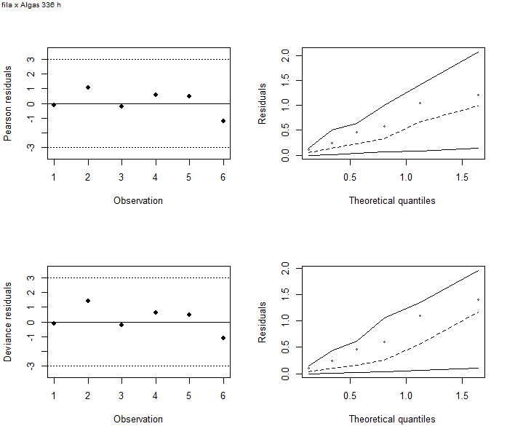
 |  |  |  |  |  |  |  | Tempo 336 h | Fila x Ciano
 |  |  |  |  |  |  |  |  |  |  | Model | Df | Deviance | Resid. Df | Resid. Dev | Pr(>Chi) | AIC
 |  |  |  |  |  |  |  |  |  | 1 | NULL | NA | NA | 5 | 83.62 | NA | 104.9
 |  |  |  |  |  |  |  |  |  | 2 | Sample | 2 | 43.63 | 3 | 39.99 | 0.00 | 65.3
 |  |  |  |  |  |  |  |  |  | 3 | Phylum | 1 | 25.85 | 4 | 57.77 | 0.00 | 81
 |  |  |  |  |  |  |  |  |  | 4 | Sample+Phylum | 2 | 55.4 | 2 | 2.37 | 0.00 | 29.6
 |  |  |  |  |  |  |  |  |  | 5 | Sample+Phylum+Phylum|Sample | 2 | 2.37 | 0 | 0 | 0.31 | 31.3

tempo 504 h
 | Model | Df | Deviance | Resid. Df | Resid. Dev | Pr(>Chi) | AIC
1 | NULL | NA | NA | 5 | 169.11 | NA | 196.8
2 | Sample | 2 | 85.65 | 3 | 83.45 | 0.0000 | 114.7
3 | Phylum | 1 | 104.04 | 4 | 65.06 | 0.0000 | 94.6
4 | Sample+Phylum | 2 | 56.20 | 2 | 8.86 | 0.0000 | 41.9
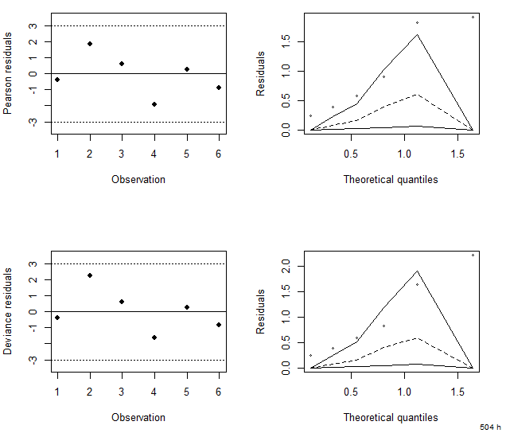
5 | Sample+Phylum+Phylum|Sample | 2 | 8.86 | 0 | 0.00 | 0.0119 | 36.9

 |  |  |  |  |  |  |  | Tempo 504 h | Fila x Ciano

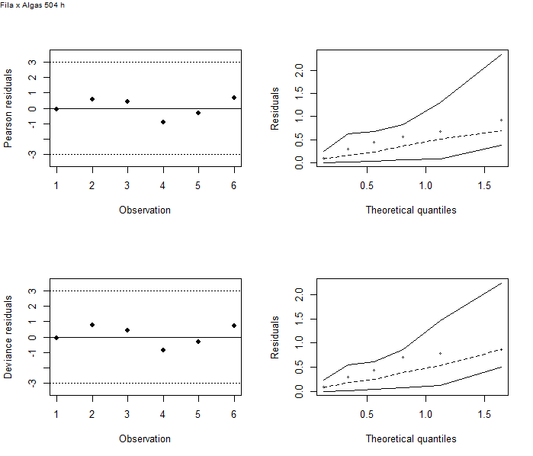
 |  |  |  |  |  |  |  |  |  |  | Model | Df | Deviance | Resid. Df | Resid. Dev | Pr(>Chi) | AIC
 |  |  |  |  |  |  |  |  |  | 1 | NULL | NA | NA | 5 | 225.78 | NA | 250
Tempo 720 h |  |  |  |  |  |  |  |  |  | 2 | Sample | 2 | 179.79 | 3 | 45.99 | 0.00 | 74.2
 | Model | Df | Deviance | Resid. Df | Resid. Dev | Pr(>Chi) | AIC |  |  | 3 | Phylum | 1 | 134.64 | 4 | 91.14 | 0.00 | 117.3
1 | NULL | NA | NA | 5 | 17.55 | NA | 43.3 |  |  | 4 | Sample+Phylum | 2 | 87.3 | 2 | 3.84 | 0.00 | 34
2 | Sample | 2 | 9.38 | 3 | 8.17 | 0.0092 | 38.0 |  |  | 5 | Sample+Phylum+Phylum|Sample | 2 | 3.84 | 0 | 0 | 0.15 | 34.2
3 | Phylum | 1 | 7.24 | 4 | 10.31 | 0.0071 | 38.1
4 | Sample+Phylum | 2 | 7.49 | 2 | 2.81 | 0.0236 | 34.6
5 | Sample+Phylum+Phylum|Sample | 2 | 2.81 | 0 | 0.00 | 0.2450 | 35.8
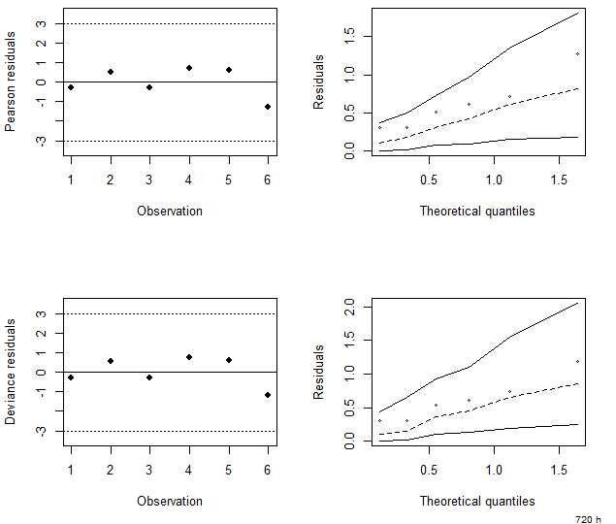

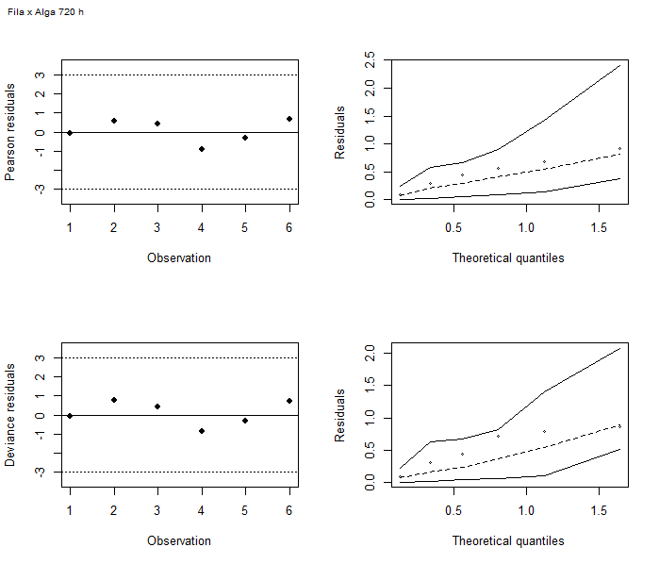
 |  |  |  |  |  |  |  | Tempo 720 h | Fila x Ciano
 |  |  |  |  |  |  |  |  |  |  | Model | Df | Deviance | Resid. Df | Resid. Dev | Pr(>Chi) | AIC
 |  |  |  |  |  |  |  |  |  | 1 | NULL | NA | NA | 5 | 13.23 | NA | 35.9
 |  |  |  |  |  |  |  |  |  | 2 | Sample | 2 | 4.7 | 3 | 8.53 | 0.10 | 35.2
 |  |  |  |  |  |  |  |  |  | 3 | Phylum | 1 | 4.93 | 4 | 8.31 | 0.03 | 33
 |  |  |  |  |  |  |  |  |  | 4 | Sample+Phylum | 2 | 6.13 | 2 | 2.17 | 0.05 | 30.8
 |  |  |  |  |  |  |  |  |  | 5 | Sample+Phylum+Phylum|Sample | 2 | 2.17 | 0 | 0 | 0.34 | 32.6

